Dashboard
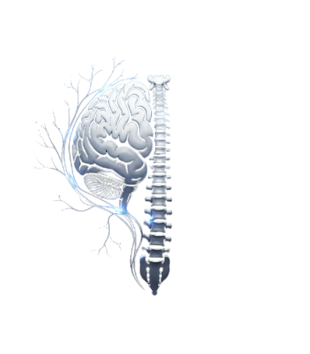
 | Total
Admitted | 224
Not Admitted | 207

Elite Brain & Spine Hospital
Total Patients
Avgrage Wait Time
Satisfaction Score

431
36.67
4.72

 | Total
1-Feb | 13
2-Feb | 10
3-Feb | 8
4-Feb | 12
5-Feb | 19
6-Feb | 9
7-Feb | 13
8-Feb | 19
9-Feb | 10
10-Feb | 20
11-Feb | 15
12-Feb | 13
13-Feb | 9
14-Feb | 19
15-Feb | 14
16-Feb | 17
17-Feb | 17
18-Feb | 15
19-Feb | 9
20-Feb | 14
21-Feb | 22
22-Feb | 16
23-Feb | 22
24-Feb | 12
25-Feb | 20
26-Feb | 18
27-Feb | 18
28-Feb | 13
29-Feb | 15
 | Total
1-Feb | 35.69
2-Feb | 45.40
3-Feb | 29.38
4-Feb | 34.58
5-Feb | 38.68
6-Feb | 34.78
7-Feb | 37.31
8-Feb | 35.63
9-Feb | 36.60
10-Feb | 39.70
11-Feb | 37.40
12-Feb | 27.77
13-Feb | 38.78
14-Feb | 31.00
15-Feb | 35.93
16-Feb | 37.88
17-Feb | 40.59
18-Feb | 34.53
19-Feb | 40.33
20-Feb | 35.29
21-Feb | 35.50
22-Feb | 38.56
23-Feb | 42.73
24-Feb | 37.42
25-Feb | 32.45
26-Feb | 40.06
27-Feb | 31.67
28-Feb | 39.77
29-Feb | 36.73
 | Total
1-Feb | 4.17
2-Feb | 5.75
3-Feb | 4.75
4-Feb | 7.00
5-Feb | 3.14
6-Feb | 8.00
7-Feb | 5.25
8-Feb | 4.57
9-Feb | 2.75
10-Feb | 4.50
11-Feb | 5.50
12-Feb | 5.60
13-Feb | 5.75
14-Feb | 3.44
15-Feb | 1.50
16-Feb | 3.67
17-Feb | 4.43
18-Feb | 6.00
19-Feb | 2.67
20-Feb | 7.50
21-Feb | 4.50
22-Feb | 8.00
23-Feb | 4.36
24-Feb | 0.00
25-Feb | 10.00
27-Feb | 6.75
28-Feb | 7.00
29-Feb | 3.33

 | Total
Delay | 283
Ontime | 148
 | Total
0-09 | 38
10-19 | 45
20-29 | 54
30-39 | 65
40-49 | 65
50-59 | 53
60-69 | 45
70-79 | 66
 | Total
Female | 194
Male | 237

Total Patients
 | Total
1-Feb | 13
2-Feb | 10
3-Feb | 8
4-Feb | 12
5-Feb | 19
6-Feb | 9
7-Feb | 13
8-Feb | 19
9-Feb | 10
10-Feb | 20
11-Feb | 15
12-Feb | 13
13-Feb | 9
14-Feb | 19
15-Feb | 14
16-Feb | 17
17-Feb | 17
18-Feb | 15
19-Feb | 9
20-Feb | 14
21-Feb | 22
22-Feb | 16
23-Feb | 22
24-Feb | 12
25-Feb | 20
26-Feb | 18
27-Feb | 18
28-Feb | 13
29-Feb | 15

Avgrage Wait Time
 | Total
1-Feb | 35.69
2-Feb | 45.40
3-Feb | 29.38
4-Feb | 34.58
5-Feb | 38.68
6-Feb | 34.78
7-Feb | 37.31
8-Feb | 35.63
9-Feb | 36.60
10-Feb | 39.70
11-Feb | 37.40
12-Feb | 27.77
13-Feb | 38.78
14-Feb | 31.00
15-Feb | 35.93
16-Feb | 37.88
17-Feb | 40.59
18-Feb | 34.53
19-Feb | 40.33
20-Feb | 35.29
21-Feb | 35.50
22-Feb | 38.56
23-Feb | 42.73
24-Feb | 37.42
25-Feb | 32.45
26-Feb | 40.06
27-Feb | 31.67
28-Feb | 39.77
29-Feb | 36.73

Satisfaction Score
 | Total
1-Feb | 4.17
2-Feb | 5.75
3-Feb | 4.75
4-Feb | 7.00
5-Feb | 3.14
6-Feb | 8.00
7-Feb | 5.25
8-Feb | 4.57
9-Feb | 2.75
10-Feb | 4.50
11-Feb | 5.50
12-Feb | 5.60
13-Feb | 5.75
14-Feb | 3.44
15-Feb | 1.50
16-Feb | 3.67
17-Feb | 4.43
18-Feb | 6.00
19-Feb | 2.67
20-Feb | 7.50
21-Feb | 4.50
22-Feb | 8.00
23-Feb | 4.36
24-Feb | 0.00
25-Feb | 10.00
27-Feb | 6.75
28-Feb | 7.00
29-Feb | 3.33

